1. Title Page
[Grocery Basket Analysis]

Project Name: Instacart Grocery Basket Analysis
Date: 04/17/24
Analyst Name: Lance Garcia

Contents:
Population Flow
Consistency checks
Wrangling steps
Column derivations
Visualizations
Recommendations

2. Population Flow
Title page

Population flow

Exclusion flag
Condition: max_order <
Obervations to be removed:
Final total count of order_products_all:

Orders_products_combined
Orders_products_merged
Orders_products_all

Total: 32399727
Total: 32434489
Total: 30959687

1.) The grey boxes in the first row of the population flow represent the original data sets as they were when you downloaded them. In the Total fields you need to add the count of the rows when you imported the data set into Jupyter.
2.) The second row of boxes (coloured) represents the data sets after you manipulated them, e.g., removed missing values and duplicates. In the Total fields you need to add the count of the rows after conducting these operations. This offers a visual oveview of how the data flows throughout the data consistency checks.
3.) The third row, where also the arrows are coloured, represents the merges you performed between the datasets. In the Total fields you need to add the count of the rows in the merged datasets, so that you end up with the final dataset (in the red box). Keep in mind the final dataset should be without exclusions (based on the exclusion flag).

3. Consistency checks
 |  |  |  | Title page
Consistency checks

Dataset | Missing values | Missing values treatment | Duplicates
orders | 206209 | Flagged as first orders | N/A
products | 16 | Dropped | 5
orders_products_prior | N/A | N/A | N/A
customers | N/A | N/A | N/A

4. Wrangling steps
 |  |  |  | Title page
Wrangling steps

Columns dropped | Columns renamed | Columns' type changed | Comment/Reason
eval_set |  |  | The data was irrelevant to the analysis
 | orders_dow > orders_day_of_week |  | Ease of comprehension
rows in the 'prices' column were dropped for having unrealistic prices |  |  | Several products were priced strangely, eg. 99999. Since there were relatively few of these and it wasn't a real outlier, they were removed.
 |  | order_id': int64 = str 'user_id': int64 = str | These columns contain categorical data despite being numerical.
records with a 'max_orders' value less than 5 were removed |  |  | These records didn't meet the inclusion requirement of 5 > 'max orders'
 |  | first_name' = str | This column contained mixed data-types so it was changed to a string.
 | First Name' > 'first_name' 'Surnam' > 'surname' 'Gender' > 'gender' 'Age' > 'age' 'fam_status' > 'marital_status' |  | These columns were renamed for the sake of readability and clarity.
first_name', 'surname' |  |  | Removing 'first_name' and 'surname' from datasets helps comply with privacy laws, minimizes the risk of data breaches, and supports ethical data practices by ensuring that only necessary personal information is retained for analysis or processing.

5. Column derivations
 |  |  |  | Title page

Column derivations and aggregations

In this tab you should add tables below that the frequences of flags/label variables that you produced after deriving them. NB: don't do this for continuous variables, only for flags.
Dataset | New column | Column/s it was derived from | Conditions
orders_products_combined_merged | price_range_loc' | prices' | High-range' product' = Products that cost more than 15. 'Mid-range product' = Products that cost 15 or less, and more than 5. 'Low-range product' = Products that cost 5 or less.
orders_products_combined_merged | busiest_day' | orders_day_of_week' | Busiest day' = Day with the highest value in 'orders_day_of_week' 'Regularly busy' = Every day with a value lower than the highest, but higher than the lowest. 'Least busy' = Day with the lowest value in 'orders_day_of_week'
orders_products_combined_merged | busiest_days' | orders_day_of_week' | Busiest days' = Days with the 2 highest values in 'orders_day_of_week' 'Regularly busy' = Every day with a value lower than the 2 highest, but higher than the 2 lowest. 'Least busy' = Days with the 2 lowest values in 'orders_day_of_week'
orders_products_combined_merged | busiest_period_of_day' | order_hour_of_day' | Most orders' = Values indicating a high number of orders (9, 16, 12, 13, 15, 14, 11, 10). 'Fewest orders' = Values indicating the fewest number of orders (3, 4, 2, 5, 1, 0, 6, 23). 'Average orders' = Any value that doesn't fall under 'most' or 'fewest' orders.
orders_products_combined_merged | max_orders' | order_number' | Max number of orders for each customer
orders_products_combined_merged | loyalty_flag' | max_order' | Loyal customer' = More than 40 max orders . 'Regular customer' = Less than or equal to 40 max orders and greater than 10 max orders. 'New customer' = Less than or equal to 10 max orders.
orders_products_combined_merged | spender_flag' | average_spend' | High_spender' = Average spend of 10 or higher 'Low_spender' = Average spend of less than 10
orders_products_combined_merged | customer_frequency' | days_since_prior_order' | Median values of 'days_since_prior_order'
orders_products_combined_merged | frequency_flag' | customer_frequency' | Frequent customer' = Value less than or equal to 10. 'Regular customer' = Value great than 10 and less than or equal to 20. 'Non-frequent customer' = Value greater than 20.
orders_products_customers | region' | state' | The states were grouped into the following regions:'West', 'South', 'Midwest', and 'Northeast'
orders_products_customers | exclusion_flag' | max_order' | Included' = 5 or more max orders. 'Excluded' = Less than 5 max orders.
'orders_products_customers | income_category' | income' | High' = 100,000 or more. 'Middle' = Less than 100,000, but greater than or equal to 50,000. 'Low' = Less than 50,000.
'orders_products_customers | age_type' | age' | Young Adult' = Less than 40. 'Middle Age' = Greater than or equal to 40, but less than 65. 'Senior' = Greater than or equal to 65.
'orders_products_customers | dependant_status' | n_dependants' | Has Dependants' = More than 0. 'No Dependants' = 0.
'orders_products_customers | age_dependants_type' | n_dependants', 'marital_status', 'age_type' | Single Young Adult' = Customers classified as 'Young Adult' without dependents and whose family status is single, divorced/widowed, or living with parents and siblings. 'Married Young Adult' = Young Adult customers without dependents who are married. 'Married Young Parent' = Young Adult customers with dependents who are married. 'Single Young Parent' = Young Adult customers with dependents and who are single, divorced/widowed, or living with parents and siblings. 'Single Middle Age Adult' = Customers classified as 'Middle Aged' without dependents and whose family status is single, divorced/widowed, or living with parents and siblings. 'Married Middle Age Adult' = Middle Aged customers without dependents who are married. 'Married Middle Age Parent' = Middle Aged customers with dependents who are married. 'Single Middle Aged Parent' = Middle Aged customers with dependents and who are single, divorced/widowed, or living with parents and siblings. 'Single Senior Adult' = Customers classified as 'Senior' without dependents and whose family status is single, divorced/widowed, or living with parents and siblings. 'Married Senior Adult' = Senior customers without dependents who are married. 'Married Senior Parent' = Senior customers with dependents who are married. 'Single Senior Parent' = Senior customers with dependents and who are single, divorced/widowed, or living with parents and siblings.

price_range_loc Mid-range product 21860860 Low-range product 10126321 High-range product 412551

busiest_day Regularly busy 22413231 Busiest day 6203329 Least busy 3783172

busiest_days Regularly busy 12914068 Busiest days 11862627 Slowest days 7623037

busiest_period_of_day Most orders 21114733 Average orders 9996048 Fewest orders 1288951

loyalty_flag Regular customer 15874128 Loyal customer 10282763 New customer 6242841

spender_flag Low_spender 32280008 High_spender 119719

frequency_flag Frequent customer 21556644 Regular customer 7207340 Non-frequent customer 3635743

region South 10790091 West 8291679 Midwest 7596065 Northeast 5721892

exclusion_flag Included 30959687 Excluded 1440040

income_category High 14202788 Middle 13394345 Low 3362554

age_type Middle Age 12101980 Young Adult 10663440 Senior 8194267

dependant_status Has Dependants 23221179 No Dependants 7738508

age_dependants_type Married Middle Aged Parent 9045278 Married Young Parent 6522259 Married Senior Parent 6172663 Single Middle Aged Adult 3056702 Single Young Adult 2660202 Single Senior Adult 2021604 Single Young Parent 1480979

6. Visualizations
Title page

Visualisations

In this tab you should include all the visualtions from Exercises 4.9 and 4.10, alongside the questions from the project brief that they answer. Include any commentary on the relationship between different variables.

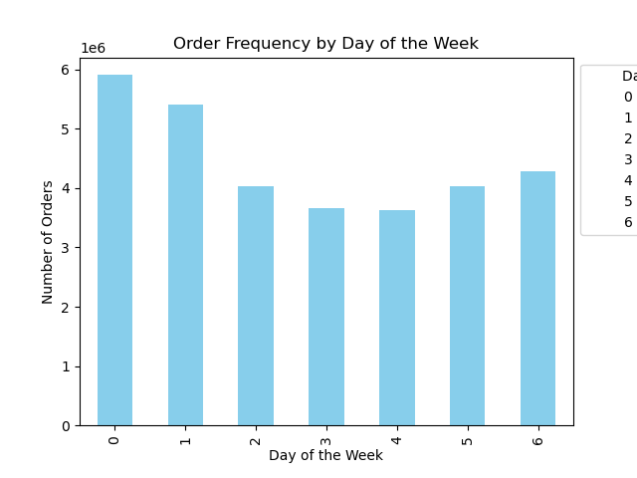
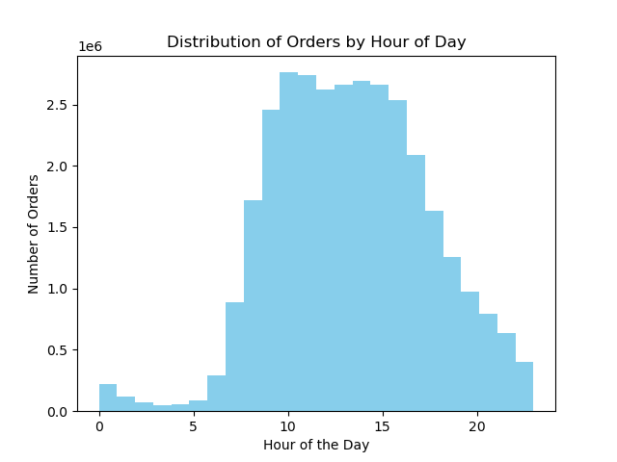
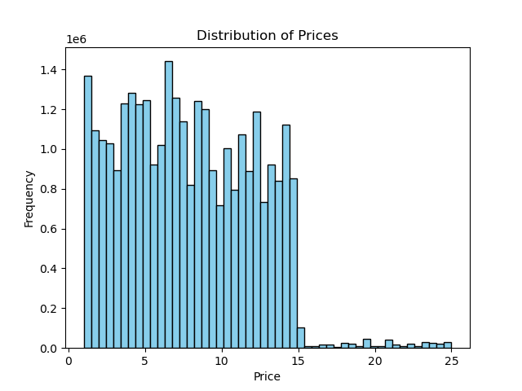
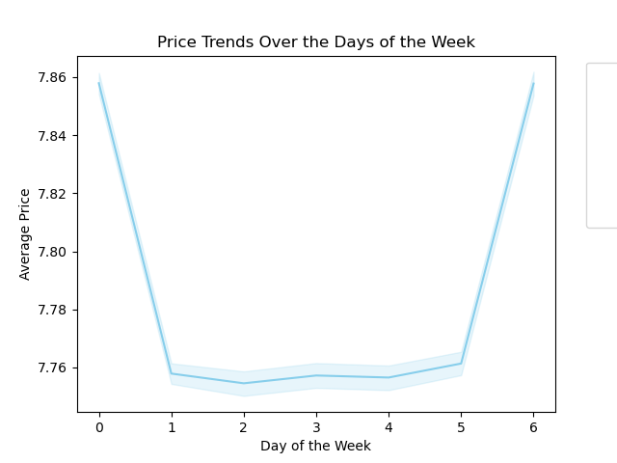

The bar chart illustrates that the volume of orders is highest on Saturday (0) and Sunday (1), tapers off during the week, and then increases again as Thursday (5) and Friday (6) approach.
The histogram displays order volumes across different hours of the day. Orders start low around midnight, rise sharply from early morning to peak at 10 AM and 11 AM, then gradually taper off through the afternoon and evening, reaching a low again after 10 PM. The data suggests the busiest ordering times are late morning, while late night and very early morning are the quietest.
This histogram outlines the frequency of product prices. Most products are clustered around the lower price points, with noticeable peaks approximately every 5 dollars. The frequency diminishes as the price increases, with very few products priced over 20 dollars.
The line graph illustrates that average product prices are highest at the start of the week, on Saturday (0). Prices drop sharply by Sunday (1) and reach the lowest average around midweek on Tuesday (2) and Wednesday (3). Towards the end of the week, there's a gradual increase in prices with another sharp rise on Friday (6), suggesting a possible cycle where prices might be adjusted in anticipation of shopping patterns, such as
weekend surges or midweek sales promotions. This trend could reflect a strategic pricing approach by retailers to capitalize on higher weekend demand or to stimulate midweek sales.

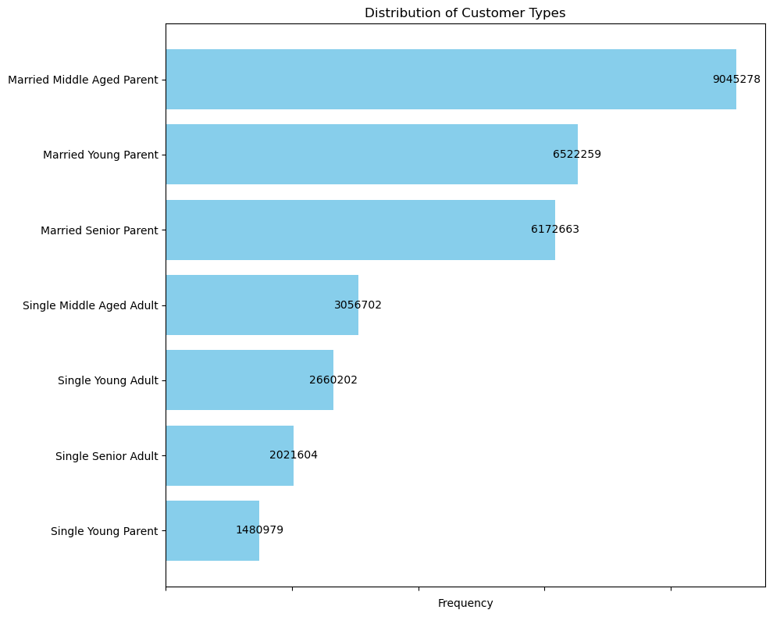

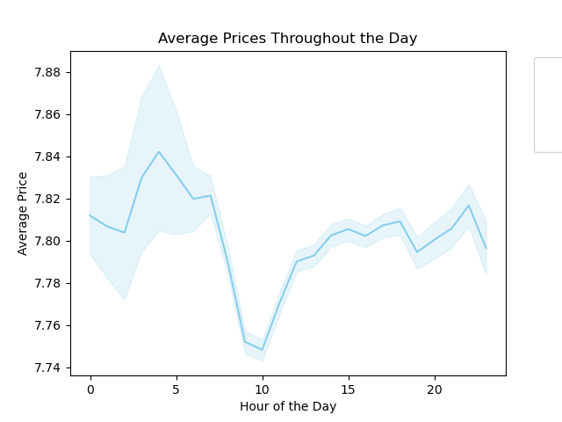
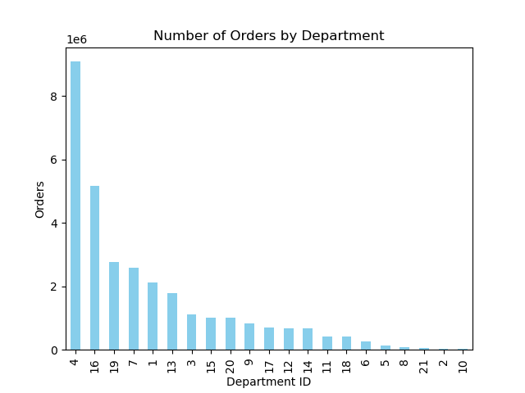
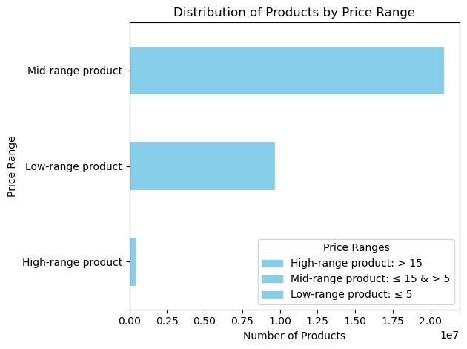

The horizontal bar chart shows the distribution of products by their price ranges. The majority of products fall within the mid-range price category (costing more than 5 dollars but 15 dollars or less), followed by a significant number in the low-range price category (costing 5 units or less). High-range products (costing more than 15 dollars) account for the smallest proportion of the product distribution. This suggests that the inventory or offerings are mainly composed of moderately and lower-priced items, which could be indicative of consumer buying trends or the retailer's pricing strategy targeting a specific market segment.
The horizontal bar chart shows the frequency of customer types, with "Married Middle Aged Parent" being the most common customer profile at over 9 million, suggesting they are the primary shopper within this data. "Married Young Parent" and "Married Senior Parent" profiles also show high frequencies, indicating that married individuals with children, regardless of age, are significant consumers. Single customer profiles, regardless of age or parental status, appear less frequently, with "Single Young Parent" being the least common. This distribution can provide insights for marketing and product placement, as it highlights the dominance of married parents in the customer base.
This line graph with a shaded confidence interval shows the average price of items purchased at different hours throughout the day. The average price starts lower in the early hours, rises to a peak around the 5 AM mark, then dips slightly and maintains a plateau until 10 AM. After a mild drop, there is a second peak at around 3 PM, followed by a general decline into the evening hours. This pattern could suggest varied pricing strategies throughout the day or shifts in consumer purchasing patterns, possibly reflecting different types of products being bought at different times, like morning essentials versus discretionary evening purchases.
The bar graph depicts the number of orders from different departments, labeled by department ID. Department 4 leads by a significant margin, indicating a much higher volume of orders from this department compared to others. There's a noticeable decrease in orders from Department 16, followed by a more gradual decline through subsequent departments. The least number of orders come from Departments 2 and 10. This distribution could reflect the popularity or necessity of certain departments, with Department 4 perhaps representing a staple category like produce or dry goods that customers purchase more frequently.

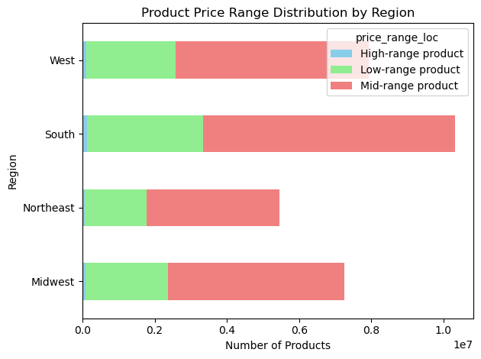
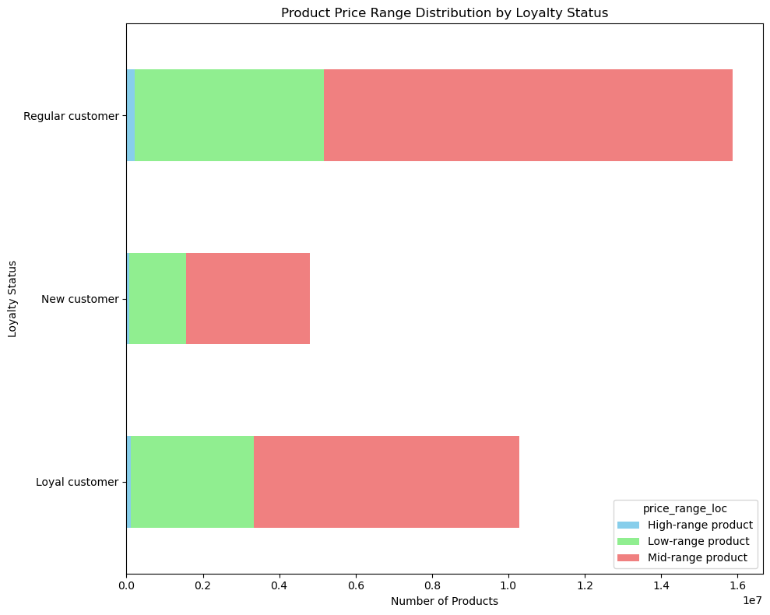
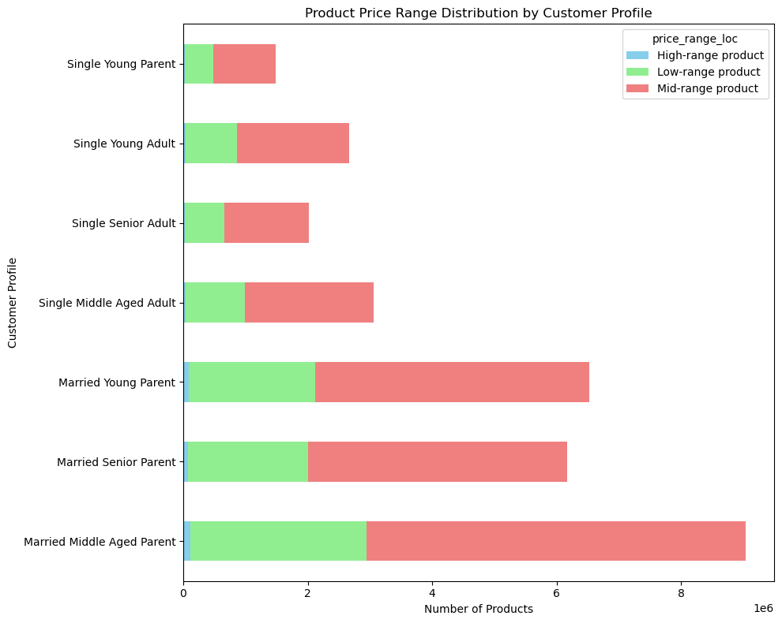

The chart indicates mid-range products are the most common across all regions, with the highest proportion in the South, suggesting a possible regional preference or a strategic focus on moderately priced items. The Northeast and West show a more even spread between mid-range and low-range products, hinting at diverse buying patterns. High-range products are noticeably less prevalent, particularly in the Midwest, perhaps reflecting a more price-sensitive market or differing consumer priorities in this region. This data can inform regional inventory decisions and pricing strategies.
In the horizontal stacked bar chart, we observe product purchases by loyalty status. Loyal customers contribute to a significant portion of high-range product purchases, while new customers buy relatively fewer high-range products. Regular customers exhibit balanced purchasing across all price ranges, but with a preference for mid-range products. This pattern may suggest that loyalty programs or customer familiarity with the brand could influence the propensity to invest in more expensive items.
This horizontal stacked bar chart breaks down product purchases by customer profile across three price ranges. Married Middle Aged Parents are the largest group buying products in all price ranges, with a notable preference for mid-range items. Single Young Parents, although the smallest group, show a relatively balanced purchasing pattern across all price ranges. The trend suggests that marital status and age, particularly the presence of children, may influence spending habits, with married parents buying more products overall, potentially due to larger household needs.

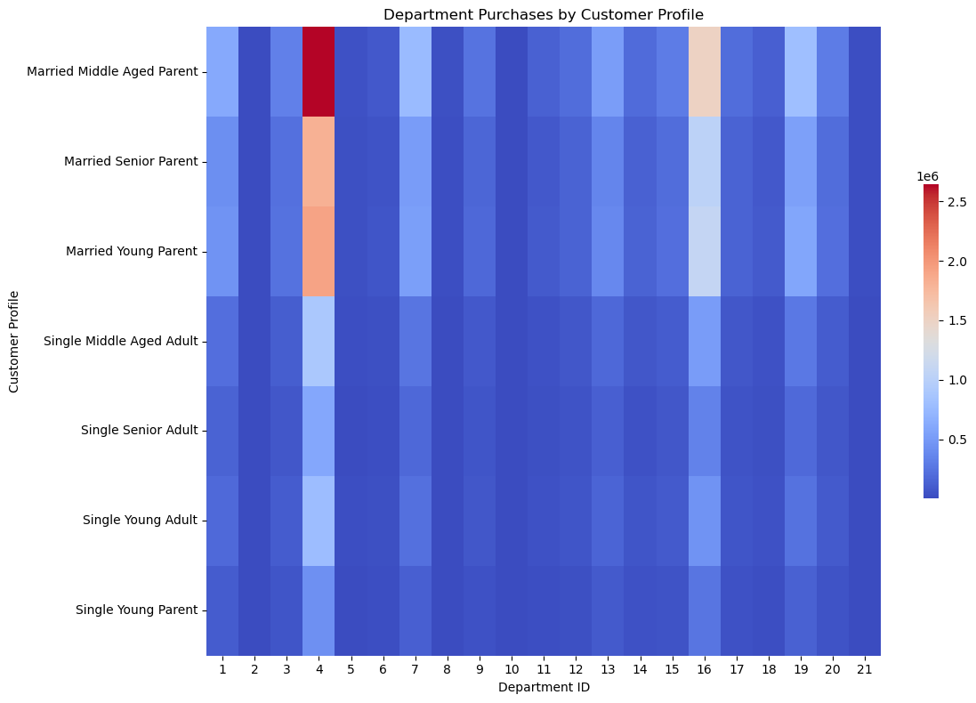

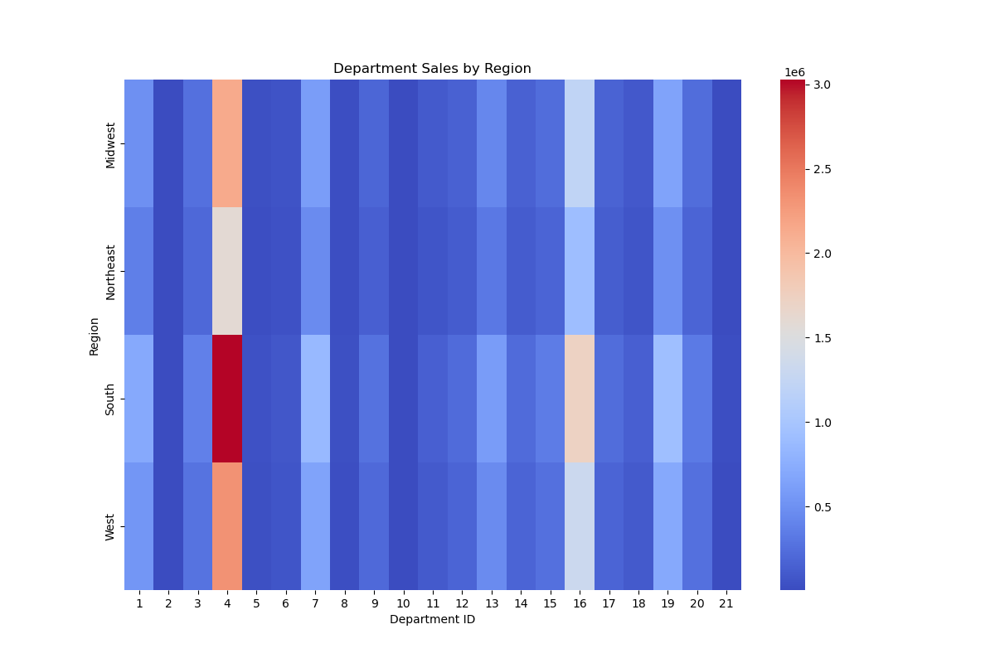
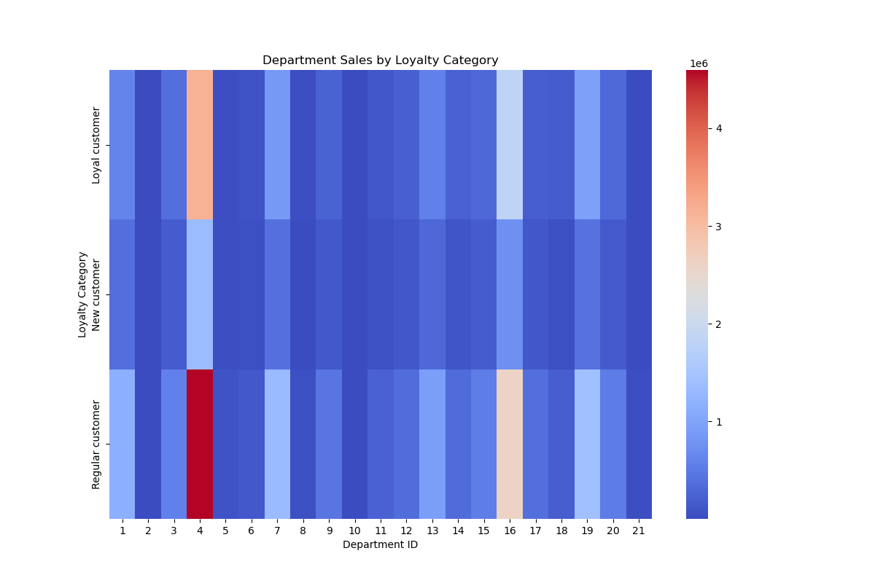

The heatmap depicts department sales across four regions. It's immediately noticeable that certain departments (like the one corresponding to ID 4) have high sales volumes across all regions, potentially indicating universally popular departments such as produce or staples. Some departments show significant regional variation, like Department 3 in the South or Department 18 in the Midwest, suggesting regional preferences or disparities in product offerings. Conversely, several departments have consistently lower sales, which could reflect niche or less-demanded products. This visual can help in tailoring stock and marketing efforts to regional demands.
The heatmap portrays department sales categorized by customer loyalty status. Department 4, likely a key area such as produce or pantry staples, shows robust sales across all loyalty types. Regular customers have a distinct peak in Department 3, which could suggest special offers or products that appeal to this group. Loyal customers exhibit consistent purchasing across most departments, potentially due to familiarity with a wider range of products or more diverse needs. New customers show less intensity overall, implying either a lower volume of purchases or a limited variety of departments they shop from. This visualization aids in identifying which departments are popular among different loyalty categories and can inform targeted marketing and retention strategies.
The heatmap illustrates department purchases across various customer profiles. Notably, Department 4 registers high purchases across all profiles, suggesting it offers universally sought-after items. The Married Middle Aged Parent group shows the most diverse purchasing pattern, indicating a wide range of needs. Married Young Parents and Married Senior Parents also record significant purchases in several departments, but with less intensity than middle-aged counterparts. Single customer profiles, including Single Young Parents, Single Young Adults, and Single Senior Adults, tend to purchase less across the board, with lower activity in certain departments. This visualization underscores the purchasing power and product interests of different family structures and life stages, with married parents, particularly those middle-aged, as key consumers.

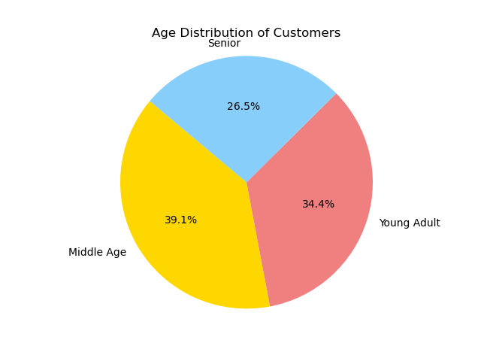
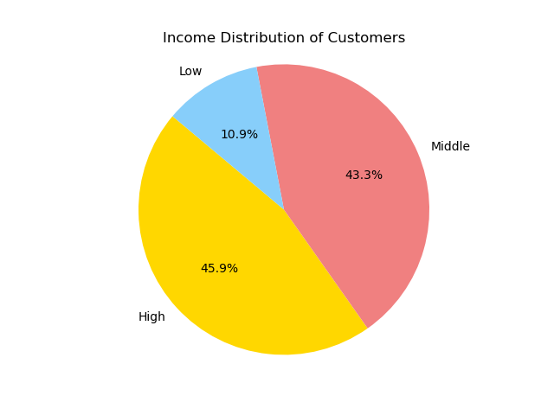

The pie chart presents the age distribution of customers, segmented into three categories: Senior, Young Adult, and Middle Age. Middle Age represents the largest segment at 39.1%, indicating that nearly two-fifths of the customer base falls within this age range. Young Adults make up 34.4%, showing they are also a significant portion of the customers. Seniors constitute 26.5% of the customer base, making them the smallest group but still a substantial portion. The chart suggests that while there is a relatively even distribution across age groups, middle-aged customers are the most prevalent.
The pie chart displays the income distribution among customers, with three distinct income levels: Low, Middle, and High. The Middle income category constitutes the largest segment, comprising 43.3% of the customer base. The High income segment is a close second at 45.9%, indicating a significant proportion of customers with higher purchasing power. The Low income group is the smallest segment, accounting for 10.9% of the customer base. This distribution shows a concentration of customers in the middle and higher income brackets, with a smaller portion in the low-income category.

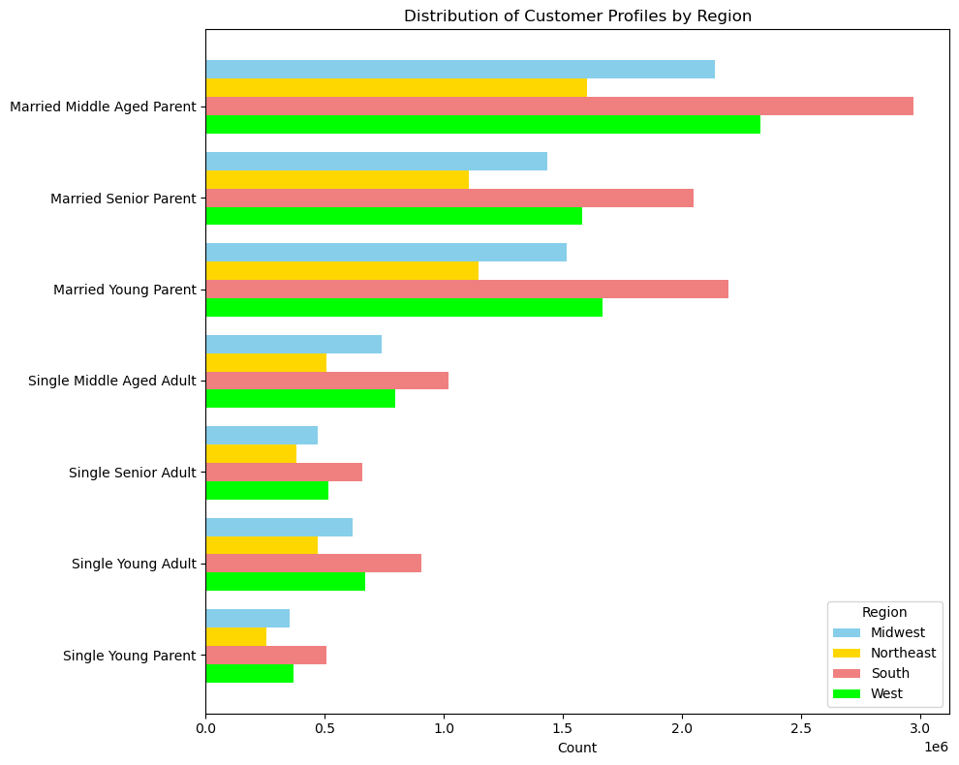

The horizontal bar chart depicts the count of customer profiles by region. "Married Middle Aged Parent" is the predominant profile across all regions, particularly in the South. "Single Young Parent" is the least represented across regions. The South has the highest count for almost all customer profiles, indicating a larger customer base or higher market penetration in that region. The Midwest and Northeast show more moderate counts, while the West, despite lower counts for some profiles, still has a significant presence of "Married Young Parents" and "Single Senior Adults". This suggests regional differences in the demographic composition of customers, which could influence regional marketing and product strategies.

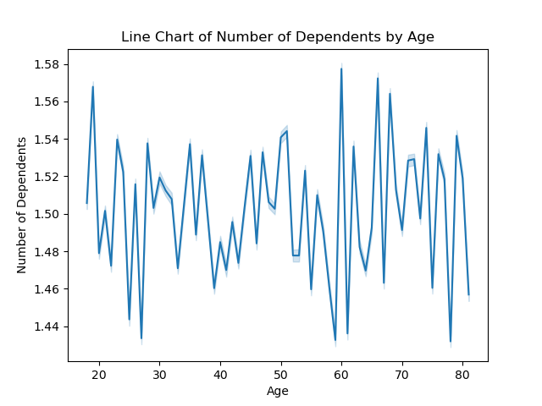
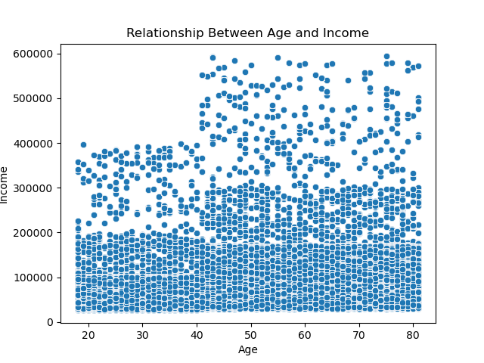

The line chart shows the number of dependents across different ages. There are noticeable fluctuations, indicating variability in the number of dependents at almost every age. There doesn't appear to be a clear trend of increasing or decreasing dependents with age; rather, the number oscillates without a discernible pattern. This could suggest that within this dataset, age might not be a strong predictor of the number of dependents, or that other factors could be influencing this relationship, leading to the observed variability. It might also reflect data variability or a need for smoothing to identify any underlying trends.
The scatterplot visualizes the relationship between age and income. The data points are widely dispersed, with a high concentration at the lower end of the income scale across all ages. There is no clear upward or downward trend, indicating that within this dataset, age may not be a significant predictor of income. Additionally, there is a substantial spread in income among individuals of the same age, especially noticeable from the mid-20s to mid-60s age range. It's interesting to note that the highest incomes are not necessarily associated with middle-aged or older individuals; rather, high earners are distributed across various ages.

7. Recommendations
 | Title page

Recommendations

In this tab you should include any recommendations you would made to Instcart in terms of their marketing strategy based on the questions posed in the brief. Every key question has been covered in the Tasks of the Exercises - here you need to add an item - a visualisation or table/crosstable that is showing the answer in the data, acompanied by a comment from you. Please, list the questions below and add the answer underneath.

Questions
1. The sales team needs to know what the busiest days of the week and hours of the day are (i.e., the days and times with the most orders) in order to schedule ads at times when there are fewer orders.
2. They also want to know whether there are particular times of the day when people spend the most money, as this might inform the type of products they advertise at these times.
3. Instacart has a lot of products with different price tags. Marketing and sales want to use simpler price range groupings to help direct their efforts.
4. Are there certain types of products that are more popular than others? The marketing and sales teams want to know which departments have the highest frequency of product orders.
5. Are there differences in ordering habits based on a customer’s region?
6. Are there differences in ordering habits based on a customer’s loyalty status?
7. What differences can you find in ordering habits of different customer profiles considering the products customers are ordering?

1. The sales team needs to know what the busiest days of the week and hours of the day are (i.e., the days and times with the most orders) in order to schedule ads at times when there are fewer orders.

1. Recommendations: Schedule ads in the early morning hours before 10 AM or in the late evening after 4 PM.The sales team should consider prioritizing ad runs on Tuesdays and Wednesdays, followed by Mondays, when there are fewer orders, and customer engagement with ads may be higher. Consider reducing ad spend during the busiest times and reallocating the budget to the identified slower periods for potentially better ad engagement rates.

2. They also want to know whether there are particular times of the day when people spend the most money, as this might inform the type of products they advertise at these times.

2. Recommendations: Run ads for premium products or services during the early morning spike, roughly from 3 AM to 5 AM. Focus on general consumer goods and convenience items during the post-work peak from 3 PM to 7 PM.

3. Instacart has a lot of products with different price tags. Marketing and sales want to use simpler price range groupings to help direct their efforts.

3. Recommendations: Marketing and sales efforts should prioritize the mid-range price category to leverage its balance of affordability and profitability, as indicated by its significant product frequency. Given the high purchase frequency of low-range products, expanding this selection could further capitalize on volume sales. High-range products, while less common, could benefit from targeted campaigns aimed at high-income segments or occasional discounts to boost purchase rates. Cross-promotion and bundling strategies across price ranges may also increase overall sales and average order values.

4. Are there certain types of products that are more popular than others? The marketing and sales teams want to know which departments have the highest frequency of product orders.

4. Recommendations: The marketing and sales teams should concentrate their efforts on the Produce and Dairy/Eggs departments, which lead in order frequency, by featuring these items in promotions and giving them prime placement. Leveraging their popularity, cross-promotional strategies could introduce customers to less frequented departments, such as International or Snacks, and loyalty rewards could incentivize exploration beyond these staple categories.

5. Are there differences in ordering habits based on a customer’s region?

5. Recommendations: Taking into account the departmental preferences by region, Instacart can implement a strategic approach by promoting high-ticket items like alcohol and international foods more aggressively in the West, where there's an inclination towards premium purchases. Targeted campaigns can also push staple categories such as produce and dairy/eggs across all regions, considering their consistent demand. For regions that show a distinct preference for certain departments—like meats, seafood, or specialty categories—localized promotions and loyalty incentives can stimulate sales. Furthermore, identifying departments with low sales in specific regions could inform decisions to diversify product offerings or create bundles that pair popular and less popular departments to encourage exploration and purchase.

6. Are there differences in ordering habits based on a customer’s loyalty status?

6. Recommendation: Instacart's data reveals loyal customers' propensity to spend on mid-range to high-range products, particularly from key departments like Produce, Dairy/Eggs, and Meat/Seafood. To leverage this, retention programs to elevate new customers to loyal status could increase their spending patterns. For existing loyal customers, exclusive offers and early access to new releases in these popular departments could reinforce their engagement. Simultaneously, welcoming new customers with incentives in these high-frequency departments, coupled with strategic promotions of high-value sections like Alcohol and International foods, could expand their purchasing habits and elevate their lifetime value.

7. What differences can you find in ordering habits of different customer profiles considering the products customers are ordering?

7. The analysis of Instacart's customer profiles indicates that Married Middle Aged Parents are major contributors to sales across diverse departments, signifying an opportunity to target them with family-centric promotions and volume discounts, particularly in the South where they predominate. Younger and single customers exhibit unique buying behaviors that could be engaged through marketing strategies tailored to their lifestyles, such as promotions on convenience foods and specialty products from departments like Snacks and Breakfast. Personalizing marketing initiatives to align with the distinct preferences of each customer profile and region can foster a deeper connection, prompting a rise in purchases in less frequented departments and enhancing overall customer lifetime value.

Recommendation Review: Customer Segmentation and Targeting: Different customer segments display distinct purchasing patterns. For example, Married Middle Aged Parents are key drivers in departments like Produce, Dairy/Eggs, and Meat/Seafood. Tailoring promotions to match the needs of each demographic—like bulk buying options for these heavy-spending segments—can increase sales. Loyalty Enhancement: Since loyal customers tend to spend more, particularly on mid to high-range products, developing retention programs that incentivize new customers to become loyal ones can lead to increased spending. Providing exclusive deals or early access to products in popular departments can deepen engagement levels. Strategic Ad Timing: The data points to the beginning of the week, especially Mondays and Tuesdays, as the less busy days for orders, making them ideal for running advertisements. This could capture attention when there’s less competition for customer engagement. Pricing Strategy: Instacart's varying price points indicate a high frequency of purchases in the low to mid-range categories. Introducing price bundle deals or discount offers in these ranges could encourage upselling and attract a broader customer base. Regional Customization: Ordering habits differ by region, suggesting a need for region-specific marketing strategies. For instance, leveraging the purchasing power of dominant customer profiles in each region—like targeting promotions for family-sized products in the South—can cater to regional preferences. Incentivizing Exploration of Underrepresented Departments: There’s an opportunity to boost sales in departments that are currently underrepresented in orders, such as Alcohol and International foods. Creative marketing campaigns and cross-promotions can introduce these products to a wider audience.

